BF89-11K
Input
 | Name of Arrangement |  | The FTD® COD™ Bouquet |  | The FTD® COD™ Bouquet |  | The FTD® COD™ Bouquet |  | The FTD® COD™ Bouquet | From Andrea
 | Size of Arrangement |  | Standard |  | Deluxe |  | Premium |  | Exquisite | From Andrea
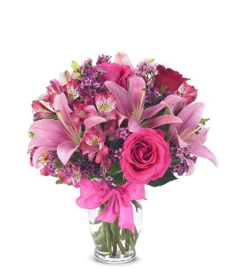
 | SRP |  | $89.99 |  | $99.99 |  | $109.99 |  |  | From Andrea
 | Total SRP of Bundle |  | $89.99 |  | $99.99 |  | $109.99

 | Member Profitability
 | SRP |  | $89.99 |  | $99.99 |  | $109.99 |  | $-
 | Less Commission (20%) |  | $(18.00) |  | $(20.00) |  | $(22.00) |  | $-
 | Less C/H Fee (9%) |  | $(8.10) |  | $(9.00) |  | $(9.90) |  | $-
 | Less UCP Fee |  | $(4.99) |  | $(4.99) |  | $(4.99) |  | $(4.99)
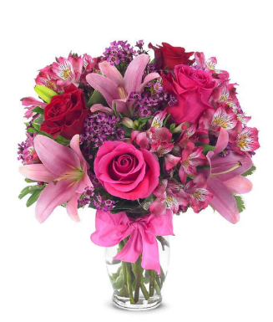
 | Less Transmission Fee |  | $(2.75) |  | $(2.75) |  | $(2.75) |  | $(2.75)
 | Less Delivery Fee |  | $(10.00) |  | $(10.00) |  | $(10.00) |  | $(10.00)
 | Less Labor (10%) |  | $(9.00) |  | $(10.00) |  | $(11.00) |  | $-
 | Less Other |  | $(3.00) |  | $(3.00) |  | $(3.00) |  | $(3.00) |  | SRP | $44.99 | $54.99 | $64.99
 | Less Hardgood |  | $(2.91) |  | $(2.91) |  | $(2.91) |  | $(2.91) |  | Total Gross Margin | $(10.18) | $(5.04) | $(1.55)
 | Less Floral Cost |  | $(13.97) |  | $(14.93) |  | $(17.54) |  | $- |  | Gross Margin % | -23% | -9% | -2%
 | Total Gross Margin |  | $17.27 |  | $22.41 |  | $25.90 |  | $(23.65)
 | Gross Margin % |  | 19% |  | 22% |  | 24% |  | #DIV/0!
 |  |  | **GM should not be below 20%
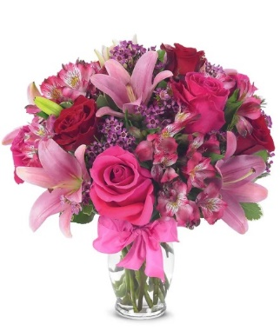
Color | Floral Costs | Qty |  | Qty |  | Qty |  | Qty
Pink | Asiatic Lily stems | 3 | $4.41 | 3 | $4.41 | 3 | $4.41 |  | $- | From Andrea
Red | 50 cm Roses | 1 | $0.96 | 2 | $1.92 | 3 | $2.88 |  | $- | From Andrea
Pink | 50 cm Roses | 2 | $1.92 | 2 | $1.92 | 3 | $2.88 |  | $- | From Andrea
Pink | Alstroemeria stems | 4 | $2.48 | 4 | $2.48 | 4 | $2.48 |  | $- | From Andrea
Purple | Waxflower stems | 2 | $2.82 | 2 | $2.82 | 2 | $2.82 |  | $- | From Andrea
 | Variegated Pittosporum stems | 2 | $1.38 | 2 | $1.38 | 3 | $2.07 |  | $- | From Andrea
 |  |  | $- |  | $- |  | $- |  | $- | From Andrea
 |  |  | $- |  | $- |  | $- |  | $- | From Andrea
 |  |  | $- |  | $- |  | $- |  | $- | From Andrea
 |  |  | $- |  | $- |  | $- |  | $- | From Andrea
 |  |  | $- |  | $- |  | $- |  | $- | From Andrea
 |  |  | $- |  | $- |  | $- |  | $- | From Andrea
 |  |  | $13.97 |  | $14.93 |  | $17.54 |  | $-

 | Hardgood Costs | Qty |  | Qty |  | Qty |  | Qty
 | Clear Glass | 1 | $2.50 | 1 | $2.50 | 1 | $2.50 | 1 | $2.50 | From Andrea
 | Ribbon | 0 | $0.41 | 0 | $0.41 | 0 | $0.41 | 0 | $0.41 | From Andrea
 |  |  | $- |  | $- |  | $- |  | $- | From Andrea
 |  |  | $- |  | $- |  | $- |  | $- | From Andrea
 |  |  | $- |  | $- |  | $- |  | $- | From Andrea
 |  |  | $- |  | $- |  | $- |  | $- | From Andrea
 |  |  | $2.91 |  | $2.91 |  | $2.91 |  | $2.91

BF216-11KM
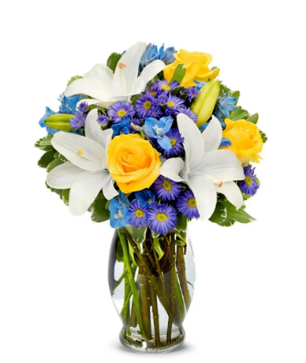
Input
 | Name of Arrangement |  | The FTD® COD™ Bouquet |  | The FTD® COD™ Bouquet |  | The FTD® COD™ Bouquet |  | The FTD® COD™ Bouquet | From Andrea
 | Size of Arrangement |  | Standard |  | Deluxe |  | Premium |  | Exquisite | From Andrea
 | SRP |  | $89.99 |  | $99.99 |  | $109.99 |  |  | From Andrea
 | Total SRP of Bundle |  | $89.99 |  | $99.99 |  | $109.99 |  | $-

 | Member Profitability
 | SRP |  | $89.99 |  | $99.99 |  | $109.99 |  | $-
 | Less Commission (20%) |  | $(18.00) |  | $(20.00) |  | $(22.00) |  | $-
 | Less C/H Fee (9%) |  | $(8.10) |  | $(9.00) |  | $(9.90) |  | $- |  |  | $44.99 | $54.99 | $64.99
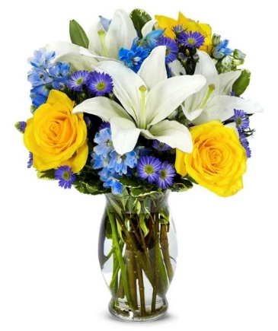
 | Less UCP Fee |  | $(4.99) |  | $(4.99) |  | $(4.99) |  | $(4.99)
 | Less Transmission Fee |  | $(2.75) |  | $(2.75) |  | $(2.75) |  | $(2.75) |  | Total Gross Margin | $(10.69) | $(5.94) | $(7.08)
 | Less Delivery Fee |  | $(10.00) |  | $(10.00) |  | $(10.00) |  | $(10.00) |  | Gross Margin % | -24% | -11% | -11%
 | Less Labor (10%) |  | $(9.00) |  | $(10.00) |  | $(11.00) |  | $-
 | Less Other |  | $(3.00) |  | $(3.00) |  | $(3.00) |  | $(3.00)
 | Less Hardgood |  | $(2.50) |  | $(2.50) |  | $(2.50) |  | $(2.50)
 | Less Floral Cost |  | $(14.89) |  | $(16.24) |  | $(23.48) |  | $-
 | Total Gross Margin |  | $16.76 |  | $21.51 |  | $20.37 |  | $(23.24)
 | Gross Margin % |  | 19% |  | 22% |  | 19% |  | #DIV/0!
 |  |  | **GM should not be below 20%
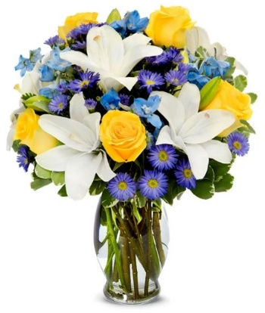
Color | Floral Costs | Qty |  | Qty |  | Qty |  | Qty
White | Asiatic Lily stems | 3 | $4.41 | 3 | $4.41 | 5 | $7.35 |  | $- | From Andrea
Yellow | 50 cm Roses | 3 | $2.88 | 3 | $2.88 | 5 | $4.80 |  | $- | From Andrea
Blue | Delphinium stems, Belladonna | 4 | $4.24 | 4 | $4.24 | 5 | $5.30 |  | $- | From Andrea
Purple | Monte Casino stems | 3 | $1.98 | 4 | $2.64 | 6 | $3.96 |  | $- | From Andrea
 | Variegated Pittosporum stems | 2 | $1.38 | 3 | $2.07 | 3 | $2.07 |  | $- | From Andrea
 |  |  | $- |  | $- |  | $- |  | $- | From Andrea
 |  |  | $- |  | $- |  | $- |  | $- | From Andrea
 |  |  | $- |  | $- |  | $- |  | $- | From Andrea
 |  |  | $- |  | $- |  | $- |  | $- | From Andrea
 |  |  | $- |  | $- |  | $- |  | $- | From Andrea
 |  |  | $- |  | $- |  | $- |  | $- | From Andrea
 |  |  | $- |  | $- |  | $- |  | $- | From Andrea
 |  |  | $14.89 |  | $16.24 |  | $23.48 |  | $-

 | Hardgood Costs | Qty |  | Qty |  | Qty |  | Qty
 | Clear Glass | 1 | $2.50 | 1 | $2.50 | 1 | $2.50 | 1 | $2.50 | From Andrea
 |  |  | $- |  | $- |  | $- |  | $- | From Andrea
 |  |  | $- |  | $- |  | $- |  | $- | From Andrea
 |  |  | $- |  | $- |  | $- |  | $- | From Andrea
 |  |  | $- |  | $- |  | $- |  | $- | From Andrea
 |  |  | $- |  | $- |  | $- |  | $- | From Andrea
 |  |  | $2.50 |  | $2.50 |  | $2.50 |  | $2.50

BF375-11KM
Input
 | Name of Arrangement |  | The FTD® COD™ Bouquet |  | The FTD® COD™ Bouquet |  | The FTD® COD™ Bouquet |  | The FTD® COD™ Bouquet | From Andrea
 | Size of Arrangement |  | Standard |  | Deluxe |  | Premium |  | Exquisite | From Andrea
 | SRP |  | $81.99 |  | $91.99 |  | $101.99 |  |  | From Andrea
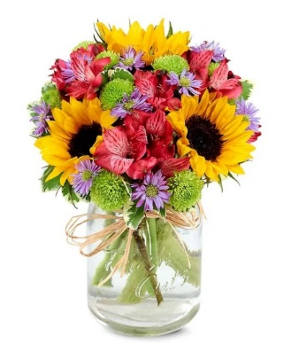
 | Total SRP of Bundle |  | $81.99 |  | $91.99 |  | $101.99 |  | $-

 | Member Profitability
 | SRP |  | $81.99 |  | $91.99 |  | $101.99 |  | $-
 | Less Commission (20%) |  | $(16.40) |  | $(18.40) |  | $(20.40) |  | $- |  |  | $39.99 | $49.99 | $59.99
 | Less C/H Fee (9%) |  | $(7.38) |  | $(8.28) |  | $(9.18) |  | $- |  | Total Gross Margin | $(9.57) | $(6.70) | $(2.65)
 | Less UCP Fee |  | $(4.99) |  | $(4.99) |  | $(4.99) |  | $(4.99) |  | Gross Margin % | -24% | -13% | -4%
 | Less Transmission Fee |  | $(2.75) |  | $(2.75) |  | $(2.75) |  | $(2.75)
 | Less Delivery Fee |  | $(10.00) |  | $(10.00) |  | $(10.00) |  | $(10.00)
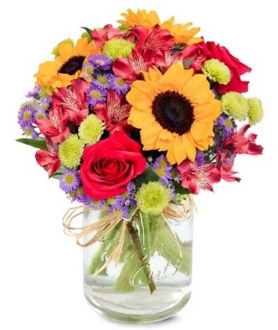
 | Less Labor (10%) |  | $(8.20) |  | $(9.20) |  | $(10.20) |  | $-
 | Less Other |  | $(3.00) |  | $(3.00) |  | $(3.00) |  | $(3.00)
 | Less Hardgood |  | $(2.75) |  | $(2.75) |  | $(2.75) |  | $(2.75)
 | Less Floral Cost |  | $(10.47) |  | $(13.70) |  | $(15.75) |  | $-
 | Total Gross Margin |  | $16.05 |  | $18.92 |  | $22.97 |  | $(23.49)
 | Gross Margin % |  | 20% |  | 21% |  | 23% |  | #DIV/0!
 |  |  | **GM should not be below 20%

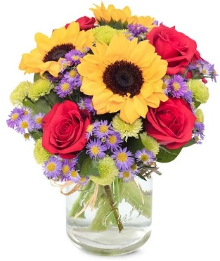
Color | Floral Costs | Qty |  | Qty |  | Qty |  | Qty
Red | 50 cm Roses | 0 | $- | 2 | $1.92 | 4 | $3.84 |  | $- | From Andrea
Yellow | Sunflowers | 3 | $3.36 | 3 | $3.36 | 3 | $3.36 |  | $- | From Andrea
Red | Alstroemeria stems | 3 | $1.86 | 4 | $2.48 | 0 | $- |  | $- | From Andrea
Purple | Monte Casino stems | 3 | $1.98 | 3 | $1.98 | 6 | $3.96 |  | $- | From Andrea
Green | Button Pompon stems | 3 | $1.89 | 3 | $1.89 | 4 | $2.52 |  | $- | From Andrea
 | Variegated Pittosporum stems | 2 | $1.38 | 3 | $2.07 | 3 | $2.07 |  | $- | From Andrea
 |  |  | $- |  | $- |  | $- |  | $- | From Andrea
 |  |  | $- |  | $- |  | $- |  | $- | From Andrea
 |  |  | $- |  | $- |  | $- |  | $- | From Andrea
 |  |  | $- |  | $- |  | $- |  | $- | From Andrea
 |  |  | $- |  | $- |  | $- |  | $- | From Andrea
 |  |  | $- |  | $- |  | $- |  | $- | From Andrea
 |  |  | $10.47 |  | $13.70 |  | $15.75 |  | $-

 | Hardgood Costs | Qty |  | Qty |  | Qty |  | Qty
 | Clear Glass | 1 | $2.50 | 1 | $2.50 | 1 | $2.50 | 1 | $2.50 | From Andrea
 | Raffia | 1 | $0.25 | 1 | $0.25 | 1 | $0.25 | 1 | $0.25 | From Andrea
 |  |  | $- |  | $- |  | $- |  | $- | From Andrea
 |  |  | $- |  | $- |  | $- |  | $- | From Andrea
 |  |  | $- |  | $- |  | $- |  | $- | From Andrea
 |  |  | $- |  | $- |  | $- |  | $- | From Andrea
 |  |  | $2.75 |  | $2.75 |  | $2.75 |  | $2.75

TEV55-6
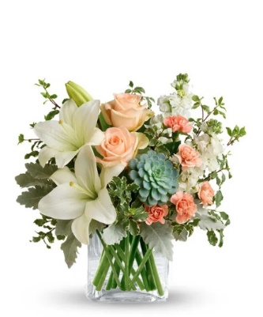
Input
 | Name of Arrangement |  | The FTD® COD™ Bouquet |  | The FTD® COD™ Bouquet |  | The FTD® COD™ Bouquet |  | The FTD® COD™ Bouquet | From Andrea
 | Size of Arrangement |  | Standard |  | Deluxe |  | Premium |  | Exquisite | From Andrea
 | SRP |  | $93.99 |  | $103.99 |  | $113.99 |  |  | From Andrea
 | Total SRP of Bundle |  | $93.99 |  | $103.99 |  | $113.99 |  | $-

 | Member Profitability |  |  |  |  |  |  |  |  |  |  | $54.99 | $64.99 | $74.99
 | SRP |  | $93.99 |  | $103.99 |  | $113.99 |  | $- |  | Total Gross Margin | $(5.20) | $(1.08) | $(0.87)
 | Less Commission (20%) |  | $(18.80) |  | $(20.80) |  | $(22.80) |  | $- |  | Gross Margin % | -9% | -2% | -1%
 | Less C/H Fee (9%) |  | $(8.46) |  | $(9.36) |  | $(10.26) |  | $-
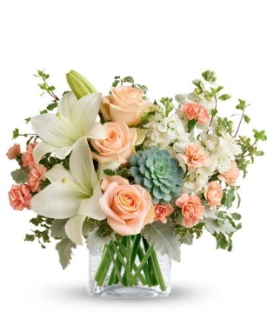
 | Less UCP Fee |  | $(4.99) |  | $(4.99) |  | $(4.99) |  | $(4.99)
 | Less Transmission Fee |  | $(2.75) |  | $(2.75) |  | $(2.75) |  | $(2.75)
 | Less Delivery Fee |  | $(10.00) |  | $(10.00) |  | $(10.00) |  | $(10.00)
 | Less Labor (10%) |  | $(9.40) |  | $(10.40) |  | $(11.40) |  | $-
 | Less Other |  | $(3.00) |  | $(3.00) |  | $(3.00) |  | $(3.00)
 | Less Hardgood |  | $(2.50) |  | $(2.50) |  | $(2.50) |  | $(2.50)
 | Less Floral Cost |  | $(15.50) |  | $(17.48) |  | $(21.63) |  | $-
 | Total Gross Margin |  | $18.59 |  | $22.71 |  | $24.66 |  | $(23.24)
 | Gross Margin % |  | 20% |  | 22% |  | 22% |  | #DIV/0!
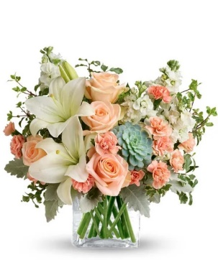
 |  |  | **GM should not be below 20%

Color | Floral Costs | Qty |  | Qty |  | Qty |  | Qty
Peach | 50 cm Roses | 2 | $1.92 | 3 | $2.88 | 4 | $3.84 |  | $- | From Andrea
White | Asiatic Lily stems | 2 | $2.94 | 2 | $2.94 | 2 | $2.94 |  | $- | From Andrea
White | Stock stems | 2 | $1.70 | 2 | $1.70 | 4 | $3.40 |  | $- | From Andrea
Peach | Mini Carnation stems | 2 | $1.02 | 4 | $2.04 | 5 | $2.55 |  | $- | From Andrea
 | Dusty Miller Stems | 2 | $1.96 | 2 | $1.96 | 3 | $2.94 |  | $- | From Andrea
 | Italian Variegated Pittosporum stems | 3 | $2.46 | 3 | $2.46 | 3 | $2.46 |  | $- | From Andrea
Green | Echevaria Succulent | 1 | $3.50 | 1 | $3.50 | 1 | $3.50 |  | $- | From Andrea
 |  |  | $- |  | $- |  | $- |  | $- | From Andrea
 |  |  | $- |  | $- |  | $- |  | $- | From Andrea
 |  |  | $- |  | $- |  | $- |  | $- | From Andrea
 |  |  | $- |  | $- |  | $- |  | $- | From Andrea
 |  |  | $- |  | $- |  | $- |  | $- | From Andrea
 |  |  | $15.50 |  | $17.48 |  | $21.63 |  | $-

 | Hardgood Costs | Qty |  | Qty |  | Qty |  | Qty
 | Clear Glass | 1 | $2.50 | 1 | $2.50 | 1 | $2.50 | 1 | $2.50 | From Andrea
 |  |  | $- |  | $- |  | $- |  | $- | From Andrea
 |  |  | $- |  | $- |  | $- |  | $- | From Andrea
 |  |  | $- |  | $- |  | $- |  | $- | From Andrea
 |  |  | $- |  | $- |  | $- |  | $- | From Andrea
 |  |  | $- |  | $- |  | $- |  | $- | From Andrea
 |  |  | $2.50 |  | $2.50 |  | $2.50 |  | $2.50

T46-1
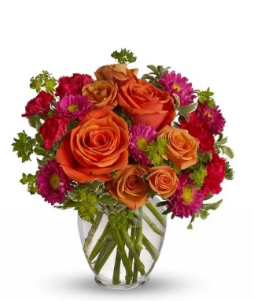
Input
 | Name of Arrangement |  | The FTD® COD™ Bouquet |  | The FTD® COD™ Bouquet |  | The FTD® COD™ Bouquet |  | The FTD® COD™ Bouquet | From Andrea
 | Size of Arrangement |  | Standard |  | Deluxe |  | Premium |  | Exquisite | From Andrea
 | SRP |  | $81.99 |  | $91.99 |  | $101.99 |  |  | From Andrea
 | Total SRP of Bundle |  | $81.99 |  | $91.99 |  | $101.99 |  | $-

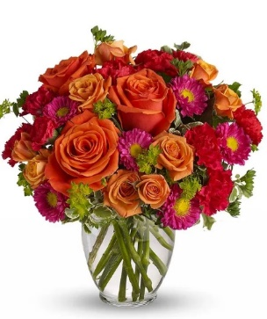
 | Member Profitability |  |  |  |  |  |  |  |  |  |  | $39.99 | $49.99 | $59.99
 | SRP |  | $81.99 |  | $91.99 |  | $101.99 |  | $- |  | Total Gross Margin | -9.24 | -8.05 | -6.07
 | Less Commission (20%) |  | $(16.40) |  | $(18.40) |  | $(20.40) |  | $- |  | Gross Margin % | -23% | -16% | -10%
 | Less C/H Fee (9%) |  | $(7.38) |  | $(8.28) |  | $(9.18) |  | $-
 | Less UCP Fee |  | $(4.99) |  | $(4.99) |  | $(4.99) |  | $(4.99)
 | Less Transmission Fee |  | $(2.75) |  | $(2.75) |  | $(2.75) |  | $(2.75)
 | Less Delivery Fee |  | $(10.00) |  | $(10.00) |  | $(10.00) |  | $(10.00)
 | Less Labor (10%) |  | $(8.20) |  | $(9.20) |  | $(10.20) |  | $-
 | Less Other |  | $(3.00) |  | $(3.00) |  | $(3.00) |  | $(3.00)
 | Less Hardgood |  | $(2.50) |  | $(2.50) |  | $(2.50) |  | $(2.50)
 | Less Floral Cost |  | $(10.39) |  | $(15.30) |  | $(19.42) |  | $-
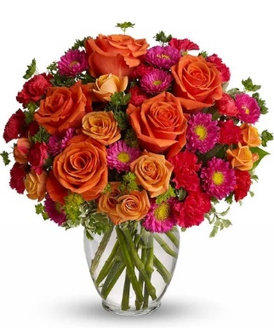
 | Total Gross Margin |  | $16.38 |  | $17.57 |  | $19.55 |  | $(23.24)
 | Gross Margin % |  | 20% |  | 19% |  | 19% |  | #DIV/0!
 |  |  | **GM should not be below 20%

Color | Floral Costs | Qty |  | Qty |  | Qty |  | Qty
Orange | 50 cm Roses | 2 | $1.92 | 3 | $2.88 | 5 | $4.80 |  | $- | From Andrea
Orange | Spray Rose stems | 2 | $1.80 | 4 | $3.60 | 5 | $4.50 |  | $- | From Andrea
Hot Pink | Mini Carnation stems | 2 | $1.02 | 3 | $1.53 | 4 | $2.04 |  | $- | From Andrea
Hot Pink | Matsumoto Aster stems | 3 | $2.37 | 3 | $2.37 | 4 | $3.16 |  | $- | From Andrea
 | Italian Variegated Pittosporum stems | 2 | $1.64 | 3 | $2.46 | 3 | $2.46 |  | $- | From Andrea
 | Bupleurum Stems | 2 | $1.64 | 3 | $2.46 | 3 | $2.46 |  | $- | From Andrea
 |  |  | $- |  | $- |  | $- |  | $- | From Andrea
 |  |  | $- |  | $- |  | $- |  | $- | From Andrea
 |  |  | $- |  | $- |  | $- |  | $- | From Andrea
 |  |  | $- |  | $- |  | $- |  | $- | From Andrea
 |  |  | $- |  | $- |  | $- |  | $- | From Andrea
 |  |  | $- |  | $- |  | $- |  | $- | From Andrea
 |  |  | $10.39 |  | $15.30 |  | $19.42 |  | $-

 | Hardgood Costs | Qty |  | Qty |  | Qty |  | Qty
 | Clear Glass | 1 | $2.50 | 1 | $2.50 | 1 | $2.50 | 1 | $2.50 | From Andrea
 |  |  | $- |  | $- |  | $- |  | $- | From Andrea
 |  |  | $- |  | $- |  | $- |  | $- | From Andrea
 |  |  | $- |  | $- |  | $- |  | $- | From Andrea
 |  |  | $- |  | $- |  | $- |  | $- | From Andrea
 |  |  | $- |  | $- |  | $- |  | $- | From Andrea
 |  |  | $2.50 |  | $2.50 |  | $2.50 |  | $2.50

TEV25-3
Input
 | Name of Arrangement |  | The FTD® COD™ Bouquet |  | The FTD® COD™ Bouquet |  | The FTD® COD™ Bouquet |  | The FTD® COD™ Bouquet | From Andrea
 | Size of Arrangement |  | Standard |  | Deluxe |  | Premium |  | Exquisite | From Andrea
 | SRP |  | $88.99 |  | $98.99 |  | $108.99 |  |  | From Andrea
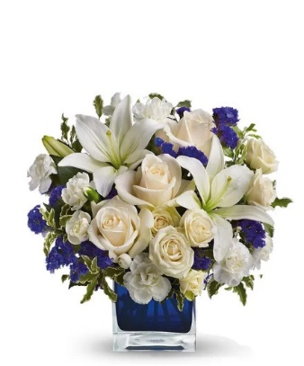
 | Total SRP of Bundle |  | $88.99 |  | $98.99 |  | $108.99 |  | $-

 | Member Profitability |  |  |  |  |  |  |  |  |  |  | $49.99 | $59.99 | $69.99
 | SRP |  | $88.99 |  | $98.99 |  | $108.99 |  | $- |  | Total Gross Margin | -6.03 | -3.73 | -1.35
 | Less Commission (20%) |  | $(17.80) |  | $(19.80) |  | $(21.80) |  | $- |  | Gross Margin % | -12% | -6% | -2%
 | Less C/H Fee (9%) |  | $(8.01) |  | $(8.91) |  | $(9.81) |  | $-
 | Less UCP Fee |  | $(4.99) |  | $(4.99) |  | $(4.99) |  | $(4.99)
 | Less Transmission Fee |  | $(2.75) |  | $(2.75) |  | $(2.75) |  | $(2.75)
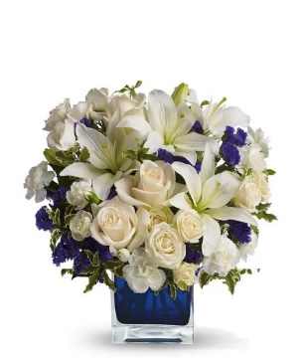
 | Less Delivery Fee |  | $(10.00) |  | $(10.00) |  | $(10.00) |  | $(10.00)
 | Less Labor (10%) |  | $(8.90) |  | $(9.90) |  | $(10.90) |  | $-
 | Less Other |  | $(3.00) |  | $(3.00) |  | $(3.00) |  | $(3.00)
 | Less Hardgood |  | $(2.50) |  | $(2.50) |  | $(2.50) |  | $(2.50)
 | Less Floral Cost |  | $(13.38) |  | $(17.08) |  | $(20.80) |  | $-
 | Total Gross Margin |  | $17.66 |  | $20.06 |  | $22.44 |  | $(23.24)
 | Gross Margin % |  | 20% |  | 20% |  | 21% |  | #DIV/0!
 |  |  | **GM should not be below 20%

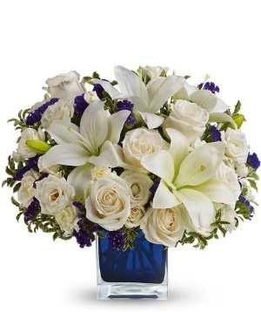
Color | Floral Costs | Qty |  | Qty |  | Qty |  | Qty
Ivory | 50 cm Roses | 3 | $2.88 | 3 | $2.88 | 5 | $4.80 |  | $- | From Andrea
White | Asiatic Lily stems | 2 | $2.94 | 3 | $4.41 | 3 | $4.41 |  | $- | From Andrea
White | Spray Rose stems | 2 | $1.80 | 3 | $2.70 | 5 | $4.50 |  | $- | From Andrea
White | Mini Carnation stems | 3 | $1.53 | 4 | $2.04 | 4 | $2.04 |  | $- | From Andrea
 | Statice stems | 3 | $1.77 | 3 | $1.77 | 3 | $1.77 |  | $- | From Andrea
 | Italian Variegated Pittosporum stems | 3 | $2.46 | 4 | $3.28 | 4 | $3.28 |  | $- | From Andrea
 |  |  | $- |  | $- |  | $- |  | $- | From Andrea
 |  |  | $- |  | $- |  | $- |  | $- | From Andrea
 |  |  | $- |  | $- |  | $- |  | $- | From Andrea
 |  |  | $- |  | $- |  | $- |  | $- | From Andrea
 |  |  | $- |  | $- |  | $- |  | $- | From Andrea
 |  |  | $- |  | $- |  | $- |  | $- | From Andrea
 |  |  | $13.38 |  | $17.08 |  | $20.80 |  | $-

 | Hardgood Costs | Qty |  | Qty |  | Qty |  | Qty
 | Clear Glass | 1 | $2.50 | 1 | $2.50 | 1 | $2.50 | 1 | $2.50 | From Andrea
 |  |  | $- |  | $- |  | $- |  | $- | From Andrea
 |  |  | $- |  | $- |  | $- |  | $- | From Andrea
 |  |  | $- |  | $- |  | $- |  | $- | From Andrea
 |  |  | $- |  | $- |  | $- |  | $- | From Andrea
 |  |  | $- |  | $- |  | $- |  | $- | From Andrea
 |  |  | $2.50 |  | $2.50 |  | $2.50 |  | $2.50

BF116-11KM
Input
 | Name of Arrangement |  | The FTD® COD™ Bouquet |  | The FTD® COD™ Bouquet |  | The FTD® COD™ Bouquet |  | The FTD® COD™ Bouquet | From Andrea
 | Size of Arrangement |  | Standard |  | Deluxe |  | Premium |  | Exquisite | From Andrea
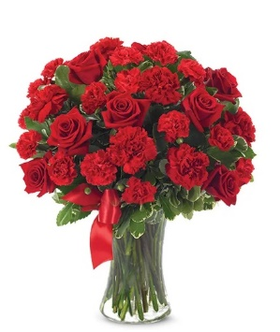
 | SRP |  | $95.99 |  | $105.99 |  | $115.99 |  |  | From Andrea
 | Total SRP of Bundle |  | $95.99 |  | $105.99 |  | $115.99 |  | $-

 | Member Profitability |  |  |  |  |  |  |  |  |  |  | $64.99 | $74.99 | $84.99
 | SRP |  | $95.99 |  | $105.99 |  | $115.99 |  | $- |  | Total Gross Margin | $(0.27) | $5.41 | $8.90
 | Less Commission (20%) |  | $(19.20) |  | $(21.20) |  | $(23.20) |  | $- |  | Gross Margin % | 0% | 7% | 10%
 | Less C/H Fee (9%) |  | $(8.64) |  | $(9.54) |  | $(10.44) |  | $-
 | Less UCP Fee |  | $(4.99) |  | $(4.99) |  | $(4.99) |  | $(4.99)
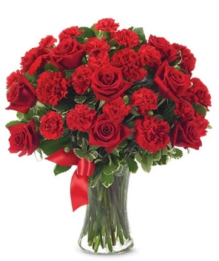
 | Less Transmission Fee |  | $(2.75) |  | $(2.75) |  | $(2.75) |  | $(2.75)
 | Less Delivery Fee |  | $(10.00) |  | $(10.00) |  | $(10.00) |  | $(10.00)
 | Less Labor (10%) |  | $(9.60) |  | $(10.60) |  | $(11.60) |  | $-
 | Less Other |  | $(3.00) |  | $(3.00) |  | $(3.00) |  | $(3.00)
 | Less Hardgood |  | $(2.91) |  | $(2.91) |  | $(2.91) |  | $(2.91)
 | Less Floral Cost |  | $(15.72) |  | $(16.68) |  | $(19.29) |  | $-
 | Total Gross Margin |  | $19.18 |  | $24.32 |  | $27.81 |  | $(23.65)
 | Gross Margin % |  | 20% |  | 23% |  | 24% |  | #DIV/0!
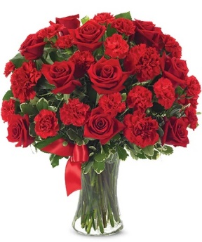
 |  |  | **GM should not be below 20%

Color | Floral Costs | Qty |  | Qty |  | Qty |  | Qty
Red | 50 cm Roses | 7 | $6.72 | 8 | $7.68 | 10 | $9.60 |  | $- | From Andrea
Red | Standard Carnations | 6 | $3.18 | 6 | $3.18 | 6 | $3.18 |  | $- | From Andrea
Red | Mini Carnation stems | 6 | $3.06 | 6 | $3.06 | 6 | $3.06 |  | $- | From Andrea
 | Variegated Pittosporum stems | 4 | $2.76 | 4 | $2.76 | 5 | $3.45 |  | $- | From Andrea
 |  |  | $- |  | $- |  | $- |  | $- | From Andrea
 |  |  | $- |  | $- |  | $- |  | $- | From Andrea
 |  |  | $- |  | $- |  | $- |  | $- | From Andrea
 |  |  | $- |  | $- |  | $- |  | $- | From Andrea
 |  |  | $- |  | $- |  | $- |  | $- | From Andrea
 |  |  | $- |  | $- |  | $- |  | $- | From Andrea
 |  |  | $- |  | $- |  | $- |  | $- | From Andrea
 |  |  | $- |  | $- |  | $- |  | $- | From Andrea
 |  |  | $15.72 |  | $16.68 |  | $19.29 |  | $-

 | Hardgood Costs | Qty |  | Qty |  | Qty |  | Qty
 | Clear Glass | 1 | $2.50 | 1 | $2.50 | 1 | $2.50 | 1 | $2.50 | From Andrea
 | Ribbon | 0 | $0.41 | 0 | $0.41 | 0 | $0.41 | 0 | $0.41 | From Andrea
 |  |  | $- |  | $- |  | $- |  | $- | From Andrea
 |  |  | $- |  | $- |  | $- |  | $- | From Andrea
 |  |  | $- |  | $- |  | $- |  | $- | From Andrea
 |  |  | $- |  | $- |  | $- |  | $- | From Andrea
 |  |  | $2.91 |  | $2.91 |  | $2.91 |  | $2.91

BF761-11KM
Input
 | Name of Arrangement |  | The FTD® COD™ Bouquet |  | The FTD® COD™ Bouquet |  | The FTD® COD™ Bouquet |  | The FTD® COD™ Bouquet | From Andrea
 | Size of Arrangement |  | Standard |  | Deluxe |  | Premium |  | Exquisite | From Andrea
 | SRP |  | $83.99 |  | $93.99 |  | $103.99 |  |  | From Andrea
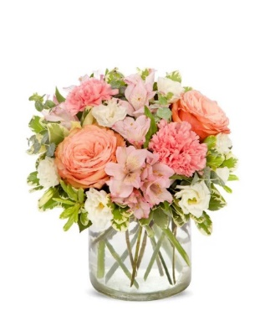
 | Total SRP of Bundle |  | $83.99 |  | $93.99 |  | $103.99 |  | $-

 |  |  |  |  |  |  |  |  |  |  |  | $49.99 | $59.99 | $69.99
 | Member Profitability |  |  |  |  |  |  |  |  |  | Total Gross Margin | $(4.20) | $(0.05) | $2.33
 | SRP |  | $83.99 |  | $93.99 |  | $103.99 |  | $- |  | Gross Margin % | -8% | 0% | 3%
 | Less Commission (20%) |  | $(16.80) |  | $(18.80) |  | $(20.80) |  | $-
 | Less C/H Fee (9%) |  | $(7.56) |  | $(8.46) |  | $(9.36) |  | $-
 | Less UCP Fee |  | $(4.99) |  | $(4.99) |  | $(4.99) |  | $(4.99)
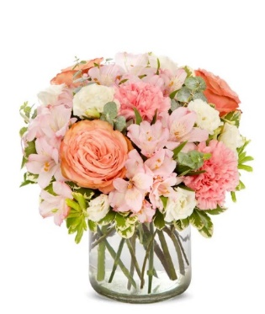
 | Less Transmission Fee |  | $(2.75) |  | $(2.75) |  | $(2.75) |  | $(2.75)
 | Less Delivery Fee |  | $(10.00) |  | $(10.00) |  | $(10.00) |  | $(10.00)
 | Less Labor (10%) |  | $(8.40) |  | $(9.40) |  | $(10.40) |  | $-
 | Less Other |  | $(3.00) |  | $(3.00) |  | $(3.00) |  | $(3.00)
 | Less Hardgood |  | $(2.50) |  | $(2.50) |  | $(2.50) |  | $(2.50)
 | Less Floral Cost |  | $(11.45) |  | $(13.40) |  | $(17.12) |  | $-
 | Total Gross Margin |  | $16.54 |  | $20.69 |  | $23.07 |  | $(23.24)
 | Gross Margin % |  | 20% |  | 22% |  | 22% |  | #DIV/0!
 |  |  | **GM should not be below 20%

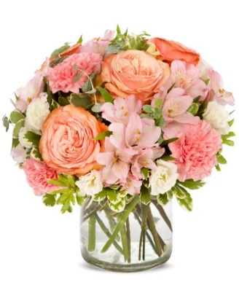
Color | Floral Costs | Qty |  | Qty |  | Qty |  | Qty
Peach | 50 cm Roses | 2 | $1.92 | 3 | $2.88 | 4 | $3.84 |  | $- | From Andrea
Pink | Standard Carnations | 2 | $1.06 | 2 | $1.06 | 3 | $1.59 |  | $- | From Andrea
Pink | Alstroemeria stems | 3 | $1.86 | 3 | $1.86 | 5 | $3.10 |  | $- | From Andrea
White | Double Lisianthus stems | 2 | $2.56 | 2 | $2.56 | 2 | $2.56 |  | $- | From Andrea
 | Baby Blue Eucalyptus stems | 2 | $1.98 | 3 | $2.97 | 4 | $3.96 |  | $- | From Andrea
 | Variegated Pittosporum stems | 3 | $2.07 | 3 | $2.07 | 3 | $2.07 |  | $- | From Andrea
 |  |  | $- |  | $- |  | $- |  | $- | From Andrea
 |  |  | $- |  | $- |  | $- |  | $- | From Andrea
 |  |  | $- |  | $- |  | $- |  | $- | From Andrea
 |  |  | $- |  | $- |  | $- |  | $- | From Andrea
 |  |  | $- |  | $- |  | $- |  | $- | From Andrea
 |  |  | $- |  | $- |  | $- |  | $- | From Andrea
 |  |  | $11.45 |  | $13.40 |  | $17.12 |  | $-

 | Hardgood Costs | Qty |  | Qty |  | Qty |  | Qty
 | Clear Glass | 1 | $2.50 | 1 | $2.50 | 1 | $2.50 | 1 | $2.50 | From Andrea
 |  | 1 | $- | 1 | $- | 1 | $- | 1 | $- | From Andrea
 |  |  | $- |  | $- |  | $- |  | $- | From Andrea
 |  |  | $- |  | $- |  | $- |  | $- | From Andrea
 |  |  | $- |  | $- |  | $- |  | $- | From Andrea
 |  |  | $- |  | $- |  | $- |  | $- | From Andrea
 |  |  | $2.50 |  | $2.50 |  | $2.50 |  | $2.50

T37-1
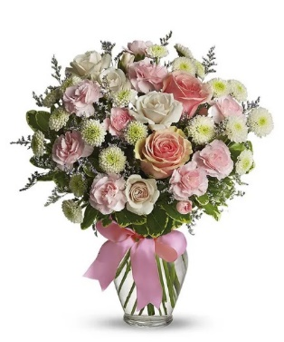
Input
 | Name of Arrangement |  | The FTD® COD™ Bouquet |  | The FTD® COD™ Bouquet |  | The FTD® COD™ Bouquet |  | The FTD® COD™ Bouquet | From Andrea
 | Size of Arrangement |  | Standard |  | Deluxe |  | Premium |  | Exquisite | From Andrea
 | SRP |  | $85.99 |  | $95.99 |  | $105.99 |  |  | From Andrea
 | Total SRP of Bundle |  | $85.99 |  | $95.99 |  | $105.99 |  | $-

 | Member Profitability
 | SRP |  | $85.99 |  | $95.99 |  | $105.99 |  |  |  |  | $44.99 | $54.99 | $64.99
 | Less Commission (20%) |  | $(17.20) |  | $(19.20) |  | $(21.20) |  |  |  | Total Gross Margin | $(8.12) | $(6.25) | $(3.54)
 | Less C/H Fee (9%) |  | $(7.74) |  | $(8.64) |  | $(9.54) |  |  |  | Gross Margin % | -18% | -11% | -5%
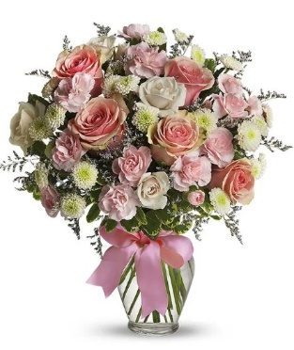
 | Less UCP Fee |  | $(4.99) |  | $(4.99) |  | $(4.99)
 | Less Transmission Fee |  | $(2.75) |  | $(2.75) |  | $(2.75)
 | Less Delivery Fee |  | $(10.00) |  | $(10.00) |  | $(10.00)
 | Less Labor (10%) |  | $(8.60) |  | $(9.60) |  | $(10.60)
 | Less Other |  | $(3.00) |  | $(3.00) |  | $(3.00)
 | Less Hardgood |  | $(2.91) |  | $(2.91) |  | $(2.91)
 | Less Floral Cost |  | $(11.91) |  | $(16.14) |  | $(19.53)
 | Total Gross Margin |  | $16.89 |  | $18.76 |  | $21.47
 | Gross Margin % |  | 20% |  | 20% |  | 20%
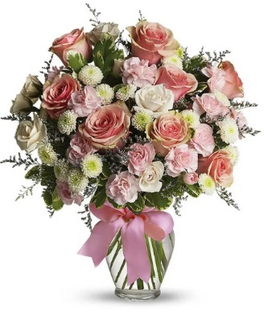
 |  |  | **GM should not be below 20%

Color | Floral Costs | Qty |  | Qty |  | Qty |  | Qty
Pink | 50 cm Roses | 2 | $1.92 | 5 | $4.80 | 8 | $7.68 |  | $- | From Andrea
White | Spray Rose stems | 3 | $2.70 | 3 | $2.70 | 3 | $2.70 |  | $- | From Andrea
Pink | Mini Carnation stems | 2 | $1.02 | 3 | $1.53 | 4 | $2.04 |  | $- | From Andrea
White | Button Pompon stems | 4 | $2.52 | 4 | $2.52 | 4 | $2.52 |  | $- | From Andrea
 | Limonium Misty Blue | 2 | $1.68 | 3 | $2.52 | 3 | $2.52 |  | $- | From Andrea
 | Variegated Pittosporum stems | 3 | $2.07 | 3 | $2.07 | 3 | $2.07 |  | $- | From Andrea
 |  |  | $- |  | $- |  | $- |  | $- | From Andrea
 |  |  | $- |  | $- |  | $- |  | $- | From Andrea
 |  |  | $- |  | $- |  | $- |  | $- | From Andrea
 |  |  | $- |  | $- |  | $- |  | $- | From Andrea
 |  |  | $- |  | $- |  | $- |  | $- | From Andrea
 |  |  | $- |  | $- |  | $- |  | $- | From Andrea
 |  |  | $11.91 |  | $16.14 |  | $19.53 |  | $-

 | Hardgood Costs | Qty |  | Qty |  | Qty |  | Qty
 | Clear Glass | 1 | $2.50 | 1 | $2.50 | 1 | $2.50 | 1 | $2.50 | From Andrea
 | Ribbon | 0 | $0.41 | 0 | $0.41 | 0 | $0.41 | 0 | $0.41 | From Andrea
 |  |  | $- |  | $- |  | $- |  | $- | From Andrea
 |  |  | $- |  | $- |  | $- |  | $- | From Andrea
 |  |  | $- |  | $- |  | $- |  | $- | From Andrea
 |  |  | $- |  | $- |  | $- |  | $- | From Andrea
 |  |  | $2.91 |  | $2.91 |  | $2.91 |  | $2.91

T43-1
Input
 | Name of Arrangement |  | The FTD® COD™ Bouquet |  | The FTD® COD™ Bouquet |  | The FTD® COD™ Bouquet |  | The FTD® COD™ Bouquet | From Andrea
 | Size of Arrangement |  | Standard |  | Deluxe |  | Premium |  | Exquisite | From Andrea
 | SRP |  | $77.99 |  | $87.99 |  | $97.99 |  |  | From Andrea

 | Total SRP of Bundle |  | $77.99 |  | $87.99 |  | $97.99 |  | $-

 | Member Profitability |  |  |  |  |  |  |  |  |  |  | $44.99 | $54.99 | $64.99
 | SRP |  | $77.99 |  | $87.99 |  | $97.99 |  | $- |  | Total Gross Margin | $(4.90) | $(1.98) | $1.24
 | Less Commission (20%) |  | $(15.60) |  | $(17.60) |  | $(19.60) |  | $- |  | Gross Margin % | -11% | -4% | 2%
 | Less C/H Fee (9%) |  | $(7.02) |  | $(7.92) |  | $(8.82) |  | $-
 | Less UCP Fee |  | $(4.99) |  | $(4.99) |  | $(4.99) |  | $(4.99)
 | Less Transmission Fee |  | $(2.75) |  | $(2.75) |  | $(2.75) |  | $(2.75)

 | Less Delivery Fee |  | $(10.00) |  | $(10.00) |  | $(10.00) |  | $(10.00)
 | Less Labor (10%) |  | $(7.80) |  | $(8.80) |  | $(9.80) |  | $-
 | Less Other |  | $(3.00) |  | $(3.00) |  | $(3.00) |  | $(3.00)
 | Less Hardgood |  | $(7.16) |  | $(7.16) |  | $(7.16) |  | $(7.16)
 | Less Floral Cost |  | $(4.44) |  | $(7.62) |  | $(10.50) |  | $-
 | Total Gross Margin |  | $15.23 |  | $18.15 |  | $21.37 |  | $(27.90)
 | Gross Margin % |  | 20% |  | 21% |  | 22% |  | #DIV/0!
 |  |  | **GM should not be below 20%


Color | Floral Costs | Qty |  | Qty |  | Qty |  | Qty
Yellow | 50 cm Roses | 2 | $1.92 | 4 | $3.84 | 7 | $6.72 |  | $- | From Andrea
Yellow | Daisy Pompon stems | 2 | $1.26 | 3 | $1.89 | 3 | $1.89 |  | $- | From Andrea
White | Daisy Pompon stems | 2 | $1.26 | 3 | $1.89 | 3 | $1.89 |  | $- | From Andrea
 | Boxwood | 2 | $- | 2 | $- | 2 | $- |  | $- | From Andrea
 |  |  | $- |  | $- |  | $- |  | $- | From Andrea
 |  |  | $- |  | $- |  | $- |  | $- | From Andrea
 |  |  | $- |  | $- |  | $- |  | $- | From Andrea
 |  |  | $- |  | $- |  | $- |  | $- | From Andrea
 |  |  | $- |  | $- |  | $- |  | $- | From Andrea
 |  |  | $- |  | $- |  | $- |  | $- | From Andrea
 |  |  | $- |  | $- |  | $- |  | $- | From Andrea
 |  |  | $- |  | $- |  | $- |  | $- | From Andrea
 |  |  | $4.44 |  | $7.62 |  | $10.50 |  | $-

 | Hardgood Costs | Qty |  | Qty |  | Qty |  | Qty
 | Smiley Mug | 1 | $7.16 | 1 | $7.16 | 1 | $7.16 | 1 | $7.16 | From Andrea
 |  |  | $- |  | $- |  | $- |  | $- | From Andrea
 |  |  | $- |  | $- |  | $- |  | $- | From Andrea
 |  |  | $- |  | $- |  | $- |  | $- | From Andrea
 |  |  | $- |  | $- |  | $- |  | $- | From Andrea
 |  |  | $- |  | $- |  | $- |  | $- | From Andrea
 |  |  | $7.16 |  | $7.16 |  | $7.16 |  | $7.16

T55-2
Input
 | Name of Arrangement |  | The FTD® COD™ Bouquet |  | The FTD® COD™ Bouquet |  | The FTD® COD™ Bouquet |  | The FTD® COD™ Bouquet | From Andrea
 | Size of Arrangement |  | Standard |  | Deluxe |  | Premium |  | Exquisite | From Andrea
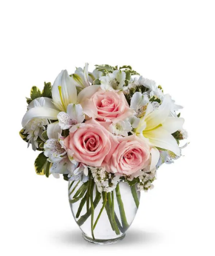
 | SRP |  | $85.99 |  | $90.99 |  | $100.99 |  |  | From Andrea
 | Total SRP of Bundle |  | $85.99 |  | $90.99 |  | $100.99 |  | $-

 | Member Profitability |  |  |  |  |  |  |  |  |  |  | $49.99 | $54.99 | $64.99
 | SRP |  | $85.99 |  | $90.99 |  | $100.99 |  | $- |  | Total Gross Margin | $(4.84) | $(5.81) | $(4.86)
 | Less Commission (20%) |  | $(17.20) |  | $(18.20) |  | $(20.20) |  | $- |  | Gross Margin % | -10% | -11% | -7%
 | Less C/H Fee (9%) |  | $(7.74) |  | $(8.19) |  | $(9.09) |  | $-
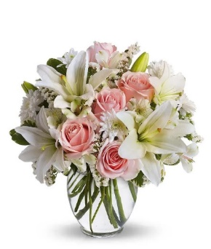
 | Less UCP Fee |  | $(4.99) |  | $(4.99) |  | $(4.99) |  | $(4.99)
 | Less Transmission Fee |  | $(2.75) |  | $(2.75) |  | $(2.75) |  | $(2.75)
 | Less Delivery Fee |  | $(10.00) |  | $(10.00) |  | $(10.00) |  | $(10.00)
 | Less Labor (10%) |  | $(8.60) |  | $(9.10) |  | $(10.10) |  | $-
 | Less Other |  | $(3.00) |  | $(3.00) |  | $(3.00) |  | $(3.00)
 | Less Hardgood |  | $(2.50) |  | $(2.50) |  | $(2.50) |  | $(2.50)
 | Less Floral Cost |  | $(12.09) |  | $(16.11) |  | $(21.26) |  | $-
 | Total Gross Margin |  | $17.12 |  | $16.15 |  | $17.10 |  | $(23.24)
 | Gross Margin % |  | 20% |  | 18% |  | 17% |  | #DIV/0!
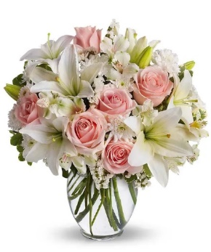
 |  |  | **GM should not be below 20%

Color | Floral Costs | Qty |  | Qty |  | Qty |  | Qty
Pink | 50 cm Roses | 3 | $2.88 | 5 | $4.80 | 6 | $5.76 |  | $- | From Andrea
White | Asiatic Lily stems | 2 | $2.94 | 3 | $4.41 | 5 | $7.35 |  | $- | From Andrea
White | Alstroemeria stems | 3 | $1.86 | 3 | $1.86 | 4 | $2.48 |  | $- | From Andrea
White | Cushion Pompon stems | 2 | $1.26 | 3 | $1.89 | 4 | $2.52 |  | $- | From Andrea
White | Statice stems | 3 | $1.77 | 3 | $1.77 | 3 | $1.77 |  | $- | From Andrea
 | Variegated Pittosporum stems | 2 | $1.38 | 2 | $1.38 | 2 | $1.38 |  | $- | From Andrea
 |  |  | $- |  | $- |  | $- |  | $- | From Andrea
 |  |  | $- |  | $- |  | $- |  | $- | From Andrea
 |  |  | $- |  | $- |  | $- |  | $- | From Andrea
 |  |  | $- |  | $- |  | $- |  | $- | From Andrea
 |  |  | $- |  | $- |  | $- |  | $- | From Andrea
 |  |  | $- |  | $- |  | $- |  | $- | From Andrea
 |  |  | $12.09 |  | $16.11 |  | $21.26 |  | $-

 | Hardgood Costs | Qty |  | Qty |  | Qty |  | Qty
 | Clear Glass | 1 | $2.50 | 1 | $2.50 | 1 | $2.50 | 1 | $2.50 | From Andrea
 |  |  | $- |  | $- |  | $- |  | $- | From Andrea
 |  |  | $- |  | $- |  | $- |  | $- | From Andrea
 |  |  | $- |  | $- |  | $- |  | $- | From Andrea
 |  |  | $- |  | $- |  | $- |  | $- | From Andrea
 |  |  | $- |  | $- |  | $- |  | $- | From Andrea
 |  |  | $2.50 |  | $2.50 |  | $2.50 |  | $2.50

BF335-11KM-2
Input
 | Name of Arrangement |  | The FTD® COD™ Bouquet |  | The FTD® COD™ Bouquet |  | The FTD® COD™ Bouquet |  | The FTD® COD™ Bouquet | From Andrea
 | Size of Arrangement |  | Standard |  | Deluxe |  | Premium |  | Exquisite | From Andrea
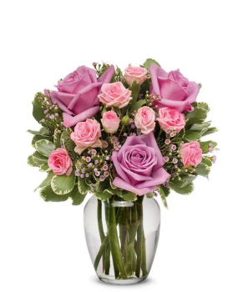
 | SRP |  | $81.99 |  | $91.99 |  | $101.99 |  |  | From Andrea
 | Total SRP of Bundle |  | $81.99 |  | $91.99 |  | $101.99 |  | $-

 | Member Profitability |  |  |  |  |  |  |  |  |  |  | $39.99 | $49.99 | $59.99
 | SRP |  | $81.99 |  | $91.99 |  | $101.99 |  | $- |  | Total Gross Margin | $(9.32) | $(6.22) | $(6.96)
 | Less Commission (20%) |  | $(16.40) |  | $(18.40) |  | $(20.40) |  | $- |  | Gross Margin % | -23% | -12% | -12%
 | Less C/H Fee (9%) |  | $(7.38) |  | $(8.28) |  | $(9.18) |  | $-
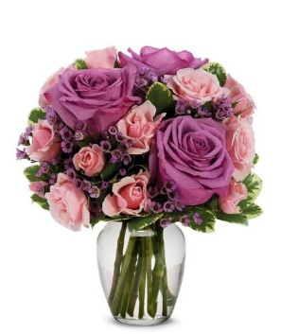
 | Less UCP Fee |  | $(4.99) |  | $(4.99) |  | $(4.99) |  | $(4.99)
 | Less Transmission Fee |  | $(2.75) |  | $(2.75) |  | $(2.75) |  | $(2.75)
 | Less Delivery Fee |  | $(10.00) |  | $(10.00) |  | $(10.00) |  | $(10.00)
 | Less Labor (10%) |  | $(8.20) |  | $(9.20) |  | $(10.20) |  | $-
 | Less Other |  | $(3.00) |  | $(3.00) |  | $(3.00) |  | $(3.00)
 | Less Hardgood |  | $(2.50) |  | $(2.50) |  | $(2.50) |  | $(2.50)
 | Less Floral Cost |  | $(10.47) |  | $(13.47) |  | $(20.31) |  | $-
 | Total Gross Margin |  | $16.30 |  | $19.40 |  | $18.66 |  | $(23.24)
 | Gross Margin % |  | 20% |  | 21% |  | 18% |  | #DIV/0!
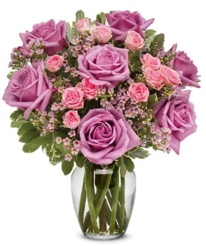
 |  |  | **GM should not be below 20%

Color | Floral Costs | Qty |  | Qty |  | Qty |  | Qty
Lavender | 50 cm Roses | 3 | $2.88 | 3 | $2.88 | 7 | $6.72 |  | $- | From Andrea
Pink | Spray Rose stems | 3 | $2.70 | 4 | $3.60 | 5 | $4.50 |  | $- | From Andrea
Pink | Waxflower stems | 2 | $2.82 | 3 | $4.23 | 4 | $5.64 |  | $- | From Andrea
 | Variegated Pittosporum stems | 3 | $2.07 | 4 | $2.76 | 5 | $3.45 |  | $- | From Andrea
 |  |  | $- |  | $- |  | $- |  | $- | From Andrea
 |  |  | $- |  | $- |  | $- |  | $- | From Andrea
 |  |  | $- |  | $- |  | $- |  | $- | From Andrea
 |  |  | $- |  | $- |  | $- |  | $- | From Andrea
 |  |  | $- |  | $- |  | $- |  | $- | From Andrea
 |  |  | $- |  | $- |  | $- |  | $- | From Andrea
 |  |  | $- |  | $- |  | $- |  | $- | From Andrea
 |  |  | $- |  | $- |  | $- |  | $- | From Andrea
 |  |  | $10.47 |  | $13.47 |  | $20.31 |  | $-

 | Hardgood Costs | Qty |  | Qty |  | Qty |  | Qty
 | Clear Glass | 1 | $2.50 | 1 | $2.50 | 1 | $2.50 | 1 | $2.50 | From Andrea
 |  |  | $- |  | $- |  | $- |  | $- | From Andrea
 |  |  | $- |  | $- |  | $- |  | $- | From Andrea
 |  |  | $- |  | $- |  | $- |  | $- | From Andrea
 |  |  | $- |  | $- |  | $- |  | $- | From Andrea
 |  |  | $- |  | $- |  | $- |  | $- | From Andrea
 |  |  | $2.50 |  | $2.50 |  | $2.50 |  | $2.50

